Sheet1
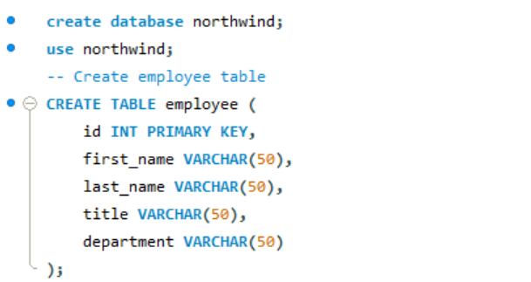

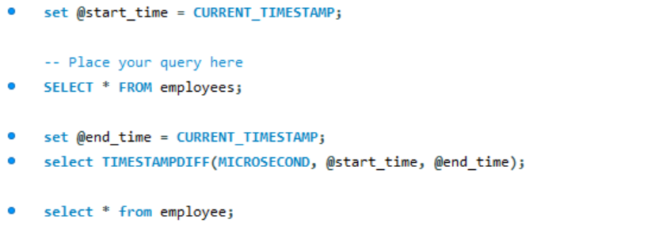

Output:

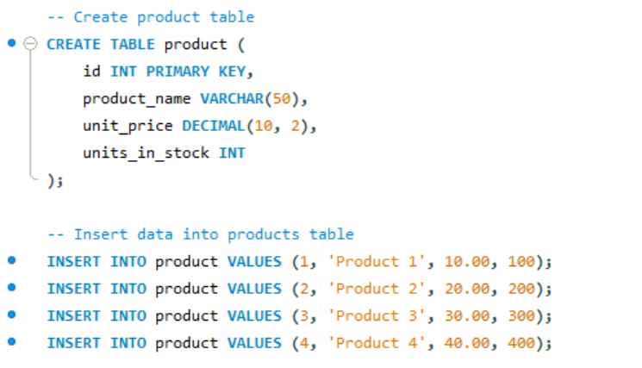

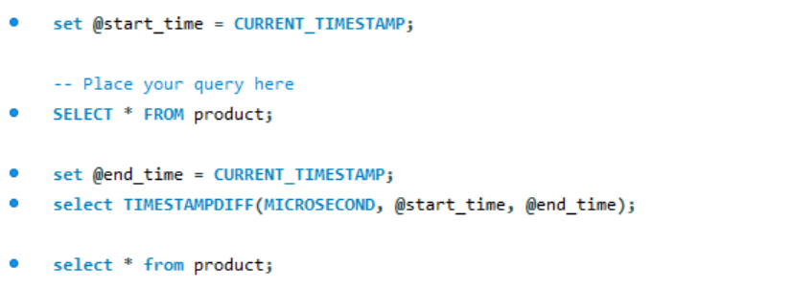

Output:

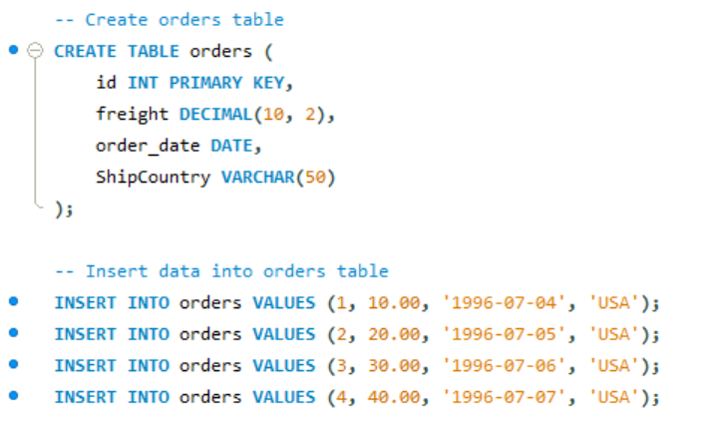

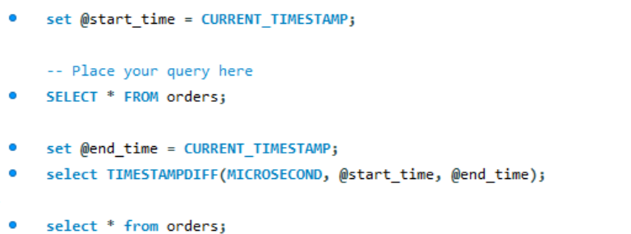

Output:
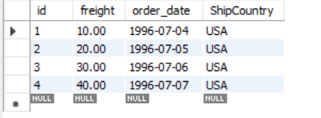

Assignment - 1 | Sort the employee table by firstname of the employee.
Query:

Output:

Assignment - 2 | Sort the employee table by firstname and lastname of the employee.
Query:

Output:

Assignment - 3 | Select both productname and unitprice from products table in descending order.
Query:

Output:
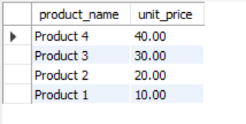

Assignment - 4 | Display product name, unit price, and a 20% increase in the unit price for only those products for which the percentage increase in unit price is greater than 30 and in descending order of the increased price.
Query:

Output:

Assignment - 5 | Display number of employees with "Sales Representative" title.
Query:

Output:

Assignment - 6 | Display total number of employees in all the department.
Query:

Output:

Assignment - 7 | Select all distinct titles from employee table.
Query:

Output:

Assignment - 8 | Get the count of employees with unique title.
Query:

Output:

Assignment - 9 | Get the most expensive product.
Query:

Output:

Assignment - 10 | Get the product with minimum stock.
Query:

Output:

Assignment - 11 | Get the average freight price for all the orders shipped to ShipCountry USA
Query:

Output:

Assignment - 12 | Get total freight expense in July 1996
Query:

Output:

